Sheet1
Bill Summary for the project Meezan Bank |  |  |  |  |  |  | MOBILIZATION ADVANCE |  | RETENTION AMOUNT
Contract Amount |  |  |  | 55,163,506 |  |  | Contract Amount | 67,455,504 | DEDUCTION IN IPC 1
Mobilizatin adv 20% |  |  |  | 20,236,651 | Contract Amount | 78,840,000 | Mob advance 30% | 20,236,651 | DEDUCTION IN adhoc in IPC 2 | 884,131
 |  |  |  |  | Verified (IPC-1 | 15,831,488 |  |  | DEDUCTION IN IPC 2
 | IPC-01 | IPC-02 | IPC-03 |  | LESS Tax 7.5% | 1,187,362 | Received | 19,830,000
RUNNING BILL NO 1 | 15,831,488 |  |  | 15,831,488 | Remaining | 14,644,126 |  |  | TOTAL RECEIVABLE | 884,131
 |  |  |  |  | LESS Mob 20% | 2,928,825 | Remaining | 406,651
Less Tax |  | 7.5% |  | 1,187,362 | LESS Retention 5% | 732,206
 |  |  |  |  | Remaining | 10,983,095
Balance Payable |  |  |  | 14,644,126 |  |  | DEDUCTION
 |  |  |  |  |  |  | DEDUCTION IN IPC 1 | 4,749,466
Less Mobilization 30% |  | 30% |  | 4,393,238 |  |  | DEDUCTION IN adhoc in IPC 2 | 5,304,787
Less Retention 5% |  | 5% |  | 732,206 |  |  | DEDUCTION IN adhoc in IPC 2
Payable Amount |  |  |  | 9,518,682
 |  |  |  |  |  |  | TOTAL | 10,054,253
Already received |  |  |  |  |  |  | Mob Payable | 10,182,399

Net Payable |  |  |  | 9,518,682

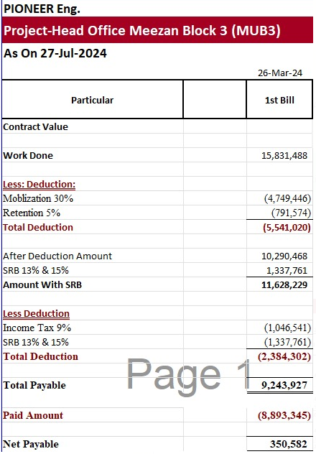
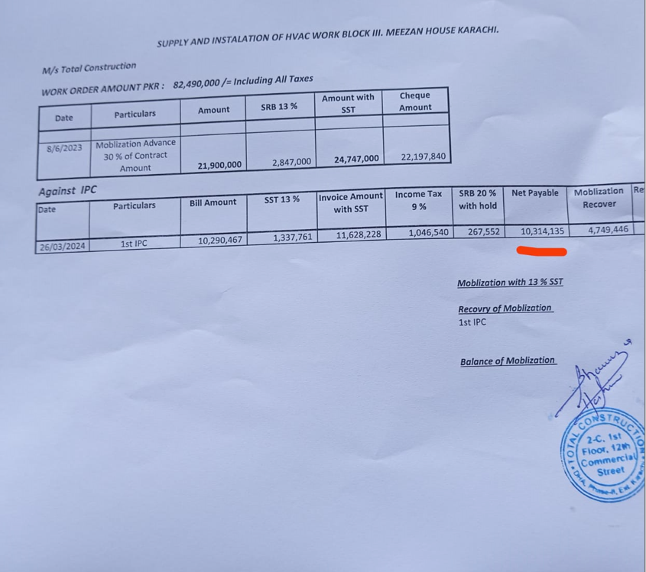

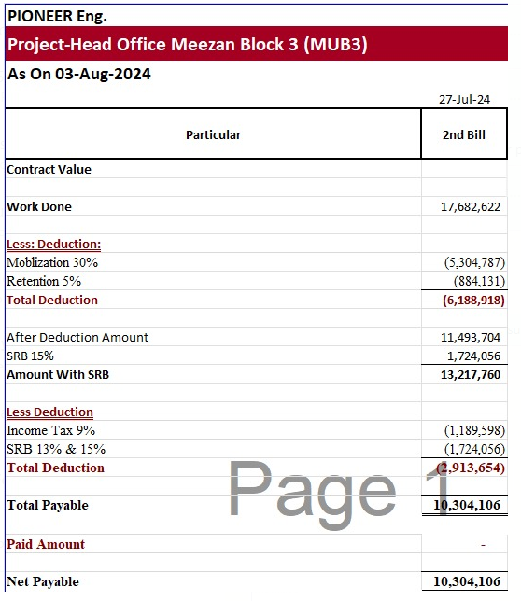
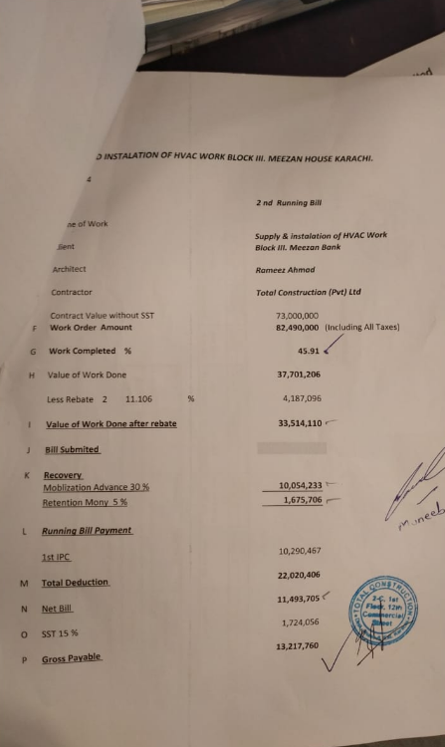
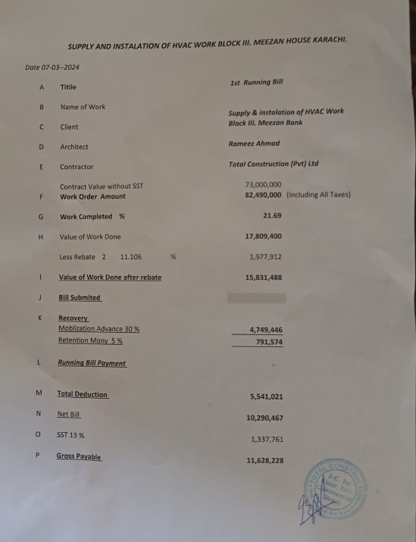

 |  |  |  | 17,682,622 | 15,831,488

 |  |  |  | 5,304,787 | 4,749,446
 |  |  |  | 884,131 | 791,574

 |  |  |  | 11,493,704 | 10,290,467

 |  |  |  | 1,724,056 | 1,337,761

 |  |  |  | 13,217,760 | 11,628,228

 |  |  |  | 1,189,598 | 1,046,541

 |  |  |  | 1,724,056 | 1,337,761

 |  |  |  | 10,304,106 | 9,243,927

